BOM Overview
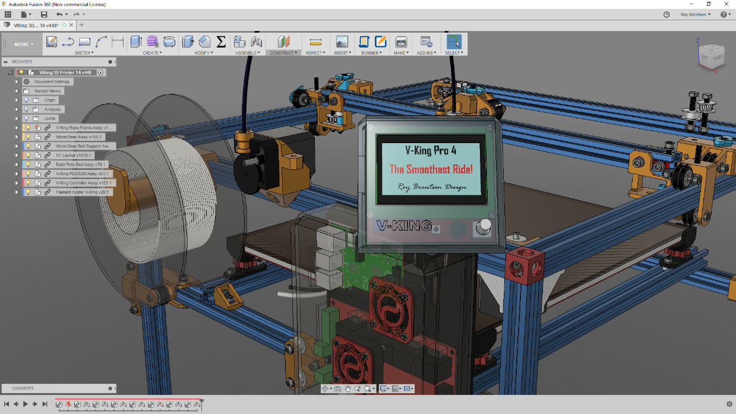
V-King Build Price Estimate
340x380x320 Build Volume

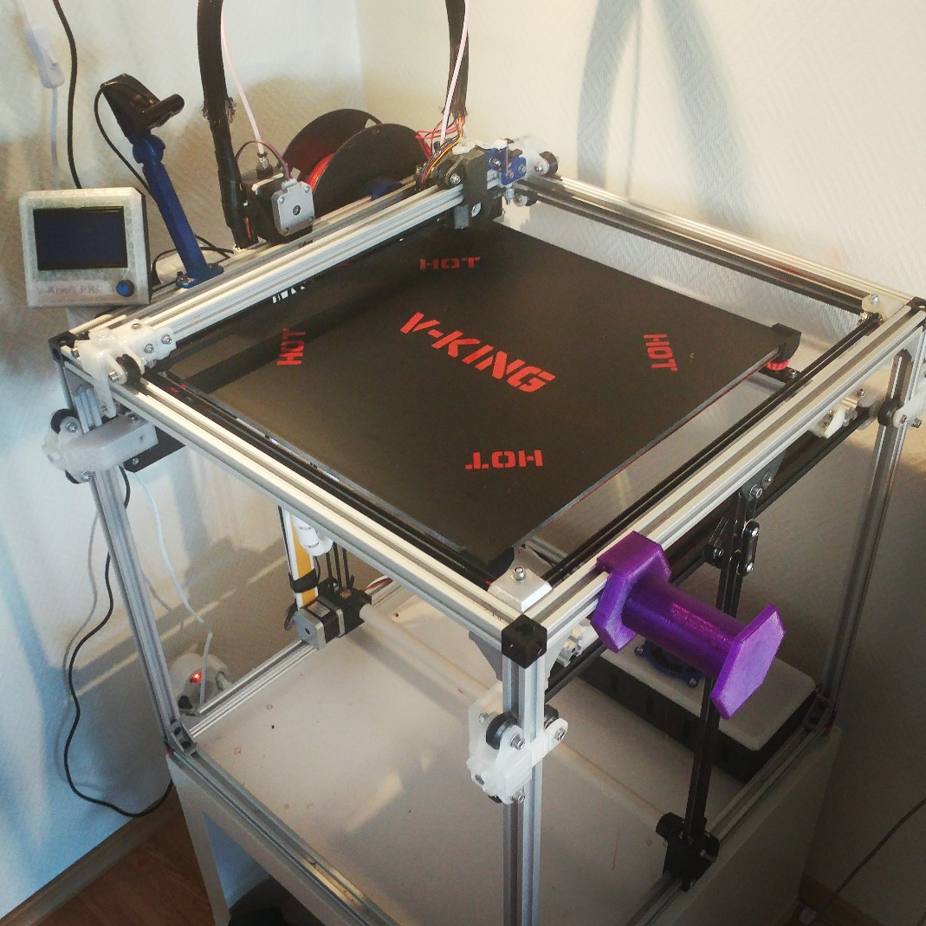
V-Slots and Wheels Standard Price: | EUR 213
Components Example Price: | EUR 411
Fastners Estimated Retail Price: | EUR 75
Cables and Connectors Estimated Price | EUR 50
Tools - Add your number | EUR -

Sub Total Example Price | EUR 749

If you like to support - Buy me a coffe here:
https://www.buymeacoffee.com/pro3d
Research - Development & Design by:
Roy Berntsen

Complete Part List
Komplete Mechanichal Kit | Fasteners included |  |  | Kit Price
MakerSupplies Mechanical Kit | <<-- ALL HARDWARE KIT HERE |  |  | USD 346.0
Frame & Wheel Parts | Description | Order Quantity | Unit Price | Bulk Price | Option | Option Price
2020 V-Slot 500 | OpenBuild V-Slot 500mm | 16 | USD 4.0 | USD 64.0
2020 V-Slot 480 | OpenBuild V-Slot 480mm | 1 | USD 4.0 | USD 4.0
Custom Cut V-Slot | Cut one 500 to 480 | 1 | USD 1.0 | USD 1.0
Research, Development & Design by: Roy Berntsen M.Sc. Engineering Designer
3 Way V-Slot Corner | 3 Way Corner Bracket | 8 | USD 4.0 | USD 32.0
2028 Corner Bracket | Frame Corner Joint Brackets | 20 |  | USD 7.0
Solid V-Wheel Kit | OpenBuild V-Slot Big Wheels | 21 | USD 5.0 | USD 105.0
Estimated Frame & Wheels Price | Fasteners bought seperate |  |  | USD 213.0
Component Part Name | Describtion | Order Quantity | Unit Price | Bulk Price | Option | Option Price
Build Plate 1400 cm^2 | 360x410x8mm Aluminum | 1 |  | USD 100.0
SKR 1.4/1.4 Turbo | SKR 1.3 32Bit Controller | 1 |  | USD 25.0 | Duet Wifi Clone | USD 83.0
TFT24 KIT | Bique TFT24 LCD Controller | 1 |  | USD 15.0 | Panel Due 5" | USD 41.0
TMC2209 V1.2 x4 | TMC 2209 Stepper Drivers | 4 |  | USD 24.0 | <-Not needed if Duet Option
End Stop - Optical Sensor | Optical Endstop Sensor | 6 |  | USD 3.0
Filament Extruder | Titan type Filament Extruder | 1 |  | USD 20.0 | Titan Original | USD 65.0
Fan - Layer Fan 24V | Fan for filament cooling | 1 |  | USD 5.0
If you like to support - Buy me a coffe here:
https://www.buymeacoffee.com/pro3d
GT2 Idler Pulley 20T | Thoothed Idler Pulley | 10 |  | USD 10.0
GT2 Idler Pulley Smooth | Smooth Pulley | 10 |  | USD 10.0
GT2 Motor Pulley 20T | Thoothed Motor Pulley | 4 |  | USD 8.0
Gates GT2 Timing Belt | Reinforced Timing Belt | 10 |  | USD 30.0
Mellow Top Quality All Metal V6 | e3D V6 Type Hotend | 1 |  | USD 5.0 | e3d V6 Original | USD 61.0
Power Supply 24V | 240W 24V PSU | 1 |  | USD 20.0
135 Deg Fuse | Thermal Safety Fuse for SSR | 1 |  | USD 2.0
Power Switch - Fused | AC Inlet to PSU with Fuse | 1 |  | USD 7.0
Probe - 3D Touch | BL Touch type Bed Probe | 1 |  | USD 15.0 | Original Probe
Silicone Heatpad 350*400 | Ask for 110 AC if needed | 1 |  | USD 30.0
Solid State Relay | SSR 40A | 1 |  | USD 4.0
Stepper Motor 1.7A Nema 17 | Nema 17 Stepper motor | 5 |  | USD 38.0
Worm Gear | 1:20 Worm Gear Set | 1 |  | USD 16.0 | High End Gear | USD 52.0
Worm Gear Bearings | 5id-16od-5w Ball bearings | 10 |  | USD 4.0
Worm Gear Rod | 5mm X 555 mm Steel rod | 1 |  | USD 20.0
Estimated Component Retail Price | No fasteners or cables included |  |  | USD 411.0

Fasteners List
 | List of Fasteners to buy at any hardware supplier
If you like to support - Buy me a coffe here:
https://www.buymeacoffee.com/pro3d

 | Research, Development & Design by
 | Roy Berntsen
Fasteners | Type | Order Quantity | Est. Unit Price | Est. Bulk Price
M3 NUT | Hex Nut - M3 | 25 | 0.1 | 2.5
M3 WASHER | Washer Simple M3 | 25 | 0.1 | 2.5
M3x10 | DIN 912 | 25 | 0.1 | 2.5
M3X25 | DIN 912 | 10 | 0.1 | 1
M3x8 | DIN 912 | 25 | 0.1 | 2.5
M4 Hex NUT | Hex Nut - M4 | 10 | 0.1 | 1
M4 Hex Nut lock | Hex Locking Nut - M4 | 10 | 0.1 | 1
M4 WASHER | Washer Simple M4 | 10 | 0.1 | 1
M4x16 | DIN 912 | 10 | 0.1 | 1
M4x20 | DIN 912 | 10 | 0.1 | 1
M5 GT2 Idler Shim | Precision Shim for GT2 idlers/pulleys | 25 | 0.1 | 2.5
M5 Hex Nut | Standard Nut M5 | 20 | 0.1 | 2
M5 Hex Nut lock | Hex Locking Nut - m5 | 40 | 0.1 | 4
M5 T-Nut Hammer | Drop In type Hammer Nut | 50 | 0.1 | 5
M5 T-Nut Square | T-Nut Sqare M5 | 100 | 0.1 | 10
M5 WASHER | Washer Simple M5 | 150 | 0.1 | 15
M5x10 | DIN 912 | 100 | 0.1 | 10
M5x14 | DIN 912 | 10 | 0.1 | 1
M5x20 Hex | Hex Head | 20 | 0.1 | 2
M5X25 | DIN 912 | 10 | 0.1 | 1
M5x30 | DIN 912 | 20 | 0.1 | 2
M5x35 | DIN 912 | 10 | 0.1 | 1
M5x35 HEX | Hex Head | 10 | 0.1 | 1
M5x8 Countersink | DIN 7991 | 25 | 0.1 | 2.5
Estimated fastener price in total: |  |  |  | 75

Cables | Type | Order Quantity | Est. Unit Price | Est. Bulk Price

